GASB 96 PV CALCULATOR
 |  |  | USE THIS CALCULATOR WHEN THE CASH PRICE IS NOT KNOWN. |  |  |  | INPUT CELL
 |  |  |  |  |  |  | FORMULA DRIVEN

GASB 96 PV Calculator

Period | Software Amount | Present Value
1 |  | $0.00 | Period Frequency: | Annual Payment (1 per year) | Frequency Divider: | 1
2 |  | $0.00 | Interest Rate: | 2.7440% | Interest Rate per Period: | 2.7440%
3 |  | $0.00
4 |  | $0.00
5 |  | $0.00 |  |  | Minimum Lease Payments: | -
Place this result in GASB 96 Questionnaire
6 |  | $0.00 |  |  | Present Value: | -
7 |  | $0.00
8 |  | $0.00 |  | Total Implementation Costs (see tab "SBITA cost guide"):
9 |  | $0.00
10 |  | $0.00 |  |  | Total PV of Subscription Asset | -
11 |  | $0.00
12 |  | $0.00
13 |  | $0.00
14 |  | $0.00 | Note: To turn a percentage into a number, divide by 100.
15 |  | $0.00 | 100% = 1.00
16 |  | $0.00 | 25% = .25
17 |  | $0.00 | 4% = .04
18 |  | $0.00 | 1.37% = .0137 |  |  | Divided by 12 for monthly rate
19 |  | $0.00 | OR type the annual rate with a "%" beside it and the computer will read as a percentage. See the example for 4.5% entered both ways:
20 |  | $0.00
21 |  | $0.00 | 4.5% written with the percentage sign |  | 4.50% | 0.00375
22 |  | $0.00 | 4.5% divided by 100 and written as numeric percentage |  | 0.045 | 0.00375
23 |  | $0.00
24 |  | $0.00 | You get the same result either way.
25 |  | $0.00
26 |  | $0.00
27 |  | $0.00
28 |  | $0.00
29 |  | $0.00
30 |  | $0.00
31 |  | $0.00
32 |  | $0.00
33 |  | $0.00
34 |  | $0.00
35 |  | $0.00
36 |  | $0.00
37 |  | $0.00
38 |  | $0.00
39 |  | $0.00
40 |  | $0.00
41 |  | $0.00
42 |  | $0.00
43 |  | $0.00
44 |  | $0.00
45 |  | $0.00
46 |  | $0.00
47 |  | $0.00
48 |  | $0.00
49 |  | $0.00
50 |  | $0.00
51 |  | $0.00
52 |  | $0.00
53 |  | $0.00
54 |  | $0.00
55 |  | $0.00
56 |  | $0.00
57 |  | $0.00
58 |  | $0.00
59 |  | $0.00
60 |  | $0.00

FY23 GA Incremental Rate
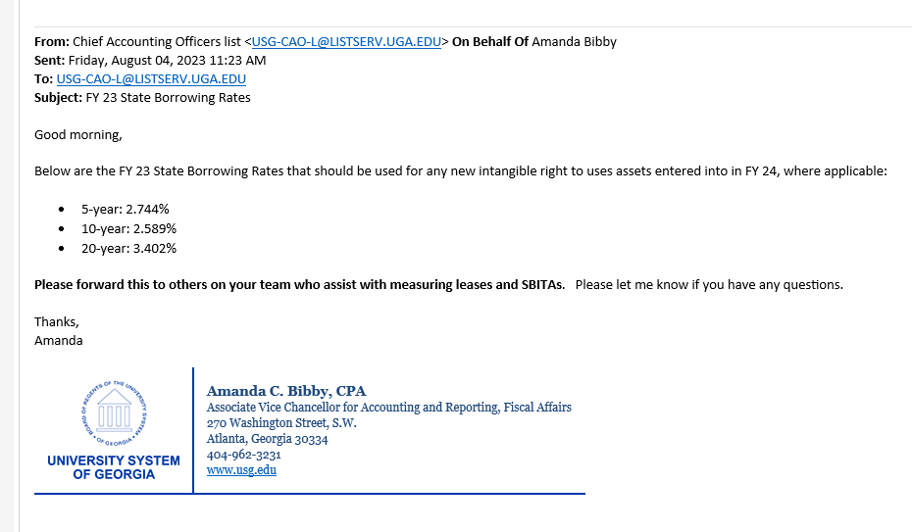

Annual Example
 |  |  | USE THIS CALCULATOR WHEN THE CASH PRICE IS NOT KNOWN. |  |  |  | INPUT CELL
 |  |  |  |  |  |  | FORMULA DRIVEN

GASB 96 PV Calculator

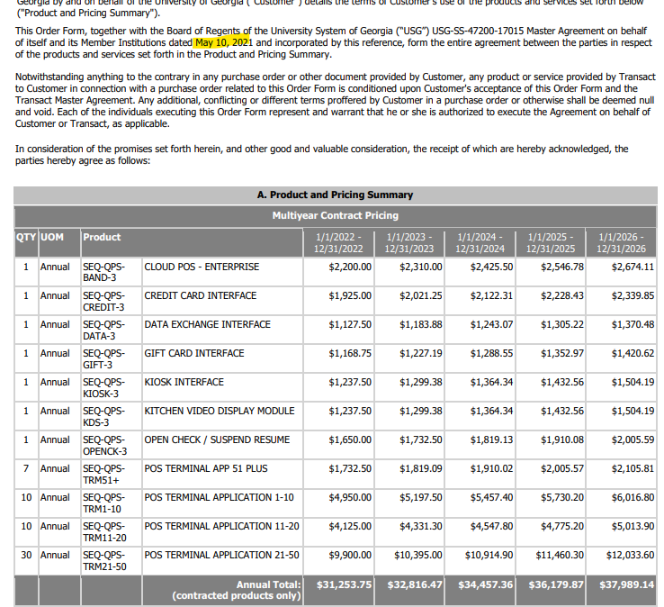
Period | Software Amount | Present Value
1 | 31,235.75 | $30,545.42 | Period Frequency: | Annual Payment (1 per year) | Frequency Divider: | 1
2 | 32,816.47 | $31,381.98 | Interest Rate: | 2.2600% | Interest Rate per Period: | 2.2600%
3 | 34,457.36 | $32,222.90
4 | 36,179.87 | $33,085.97
5 | 37,989.14 | $33,972.74 |  |  | Minimum Lease Payments: | 172,678.59
Place this result in GASB 96 Questionnaire
6 |  | $0.00 |  |  | Present Value: | 161,209.00
7 |  | $0.00
8 |  | $0.00 |  | Total Implementation Costs (see tab "SBITA cost guide"):
9 |  | $0.00
10 |  | $0.00 |  |  | Total PV of Subscription Asset | 161,209.00
11 |  | $0.00
12 |  | $0.00
13 |  | $0.00
14 |  | $0.00 | Note: To turn a percentage into a number, divide by 100.
15 |  | $0.00 | 100% = 1.00
16 |  | $0.00 | 25% = .25
17 |  | $0.00 | 4% = .04
18 |  | $0.00 | 1.37% = .0137 |  |  | Divided by 12 for monthly rate
19 |  | $0.00 | OR type the annual rate with a "%" beside it and the computer will read as a percentage. See the example for 4.5% entered both ways:
20 |  | $0.00
21 |  | $0.00 | 4.5% written with the percentage sign |  | 4.50% | 0.00375
22 |  | $0.00 | 4.5% divided by 100 and written as numeric percentage |  | 0.045 | 0.00375
23 |  | $0.00
24 |  | $0.00 | You get the same result either way.
25 |  | $0.00
26 |  | $0.00
27 |  | $0.00
28 |  | $0.00
29 |  | $0.00
30 |  | $0.00
31 |  | $0.00
32 |  | $0.00
33 |  | $0.00
34 |  | $0.00
35 |  | $0.00
36 |  | $0.00
37 |  | $0.00
38 |  | $0.00
39 |  | $0.00
40 |  | $0.00
41 |  | $0.00
42 |  | $0.00
43 |  | $0.00
44 |  | $0.00
45 |  | $0.00
46 |  | $0.00
47 |  | $0.00
48 |  | $0.00
49 |  | $0.00
50 |  | $0.00
51 |  | $0.00
52 |  | $0.00
53 |  | $0.00
54 |  | $0.00
55 |  | $0.00
56 |  | $0.00
57 |  | $0.00
58 |  | $0.00
59 |  | $0.00
60 |  | $0.00

Semi-Annual Example
 |  |  | USE THIS CALCULATOR WHEN THE CASH PRICE IS NOT KNOWN. |  |  |  | INPUT CELL
 |  |  |  |  |  |  | FORMULA DRIVEN

GASB 96 PV Calculator

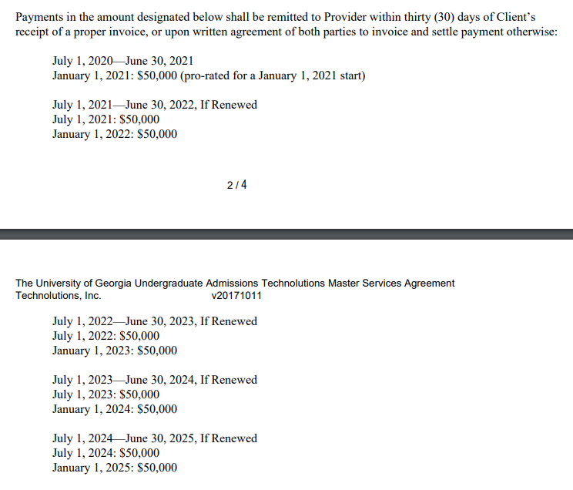
Period | Software Amount | Present Value
1 | 50,000.00 | $49,441.31 | Period Frequency: | Semi-Annually (2 payments every 6 months) | Frequency Divider: | 2
2 | 50,000.00 | $48,888.87 | Interest Rate: | 2.2600% | Interest Rate per Period: | 1.1300%
3 | 50,000.00 | $48,342.60
4 | 50,000.00 | $47,802.43
5 | 50,000.00 | $47,268.30 |  |  | Minimum Lease Payments: | 450,000.00
Place this result in GASB 96 Questionnaire
6 | 50,000.00 | $46,740.13 |  |  | Present Value: | 425,593.75
7 | 50,000.00 | $46,217.87
8 | 50,000.00 | $45,701.45 |  | Total Implementation Costs (see tab "SBITA cost guide"):
9 | 50,000.00 | $45,190.79
10 |  | $0.00 |  |  | Total PV of Subscription Asset | 425,593.75
11 |  | $0.00
12 |  | $0.00
13 |  | $0.00
14 |  | $0.00 | Note: To turn a percentage into a number, divide by 100.
15 |  | $0.00 | 100% = 1.00
16 |  | $0.00 | 25% = .25
17 |  | $0.00 | 4% = .04
18 |  | $0.00 | 1.37% = .0137 |  |  | Divided by 12 for monthly rate
19 |  | $0.00 | OR type the annual rate with a "%" beside it and the computer will read as a percentage. See the example for 4.5% entered both ways:
20 |  | $0.00
21 |  | $0.00 | 4.5% written with the percentage sign |  | 4.50% | 0.00375
22 |  | $0.00 | 4.5% divided by 100 and written as numeric percentage |  | 0.045 | 0.00375
23 |  | $0.00
24 |  | $0.00 | You get the same result either way.
25 |  | $0.00
26 |  | $0.00
27 |  | $0.00
28 |  | $0.00
29 |  | $0.00
30 |  | $0.00
31 |  | $0.00
32 |  | $0.00
33 |  | $0.00
34 |  | $0.00
35 |  | $0.00
36 |  | $0.00
37 |  | $0.00
38 |  | $0.00
39 |  | $0.00
40 |  | $0.00
41 |  | $0.00
42 |  | $0.00
43 |  | $0.00
44 |  | $0.00
45 |  | $0.00
46 |  | $0.00
47 |  | $0.00
48 |  | $0.00
49 |  | $0.00
50 |  | $0.00
51 |  | $0.00
52 |  | $0.00
53 |  | $0.00
54 |  | $0.00
55 |  | $0.00
56 |  | $0.00
57 |  | $0.00
58 |  | $0.00
59 |  | $0.00
60 |  | $0.00

Quarterly Example
 |  |  | USE THIS CALCULATOR WHEN THE CASH PRICE IS NOT KNOWN. |  |  |  | INPUT CELL
 |  |  |  |  |  |  | FORMULA DRIVEN

GASB 96 PV Calculator

Period | Software Amount | Present Value
1 | 13,000.00 | $12,902.80 | Period Frequency: | Quarterly (payments every 3 months) | Frequency Divider: | 3
2 | 13,000.00 | $12,806.32 | Interest Rate: | 2.2600% | Interest Rate per Period: | 0.7533%
3 | 13,000.00 | $12,710.57
4 | 13,000.00 | $12,615.53
5 | 13,000.00 | $12,521.21 |  |  | Minimum Lease Payments: | 156,000.00
Place this result in GASB 96 Questionnaire
6 | 13,000.00 | $12,427.59 |  |  | Present Value: | 148,622.34
7 | 13,000.00 | $12,334.67
8 | 13,000.00 | $12,242.44 |  | Total Implementation Costs (see tab "SBITA cost guide"):
9 | 13,000.00 | $12,150.90
10 | 13,000.00 | $12,060.05 |  |  | Total PV of Subscription Asset | 148,622.34
11 | 13,000.00 | $11,969.88
12 | 13,000.00 | $11,880.38
13 |  | $0.00
14 |  | $0.00 | Note: To turn a percentage into a number, divide by 100.
15 |  | $0.00 | 100% = 1.00
16 |  | $0.00 | 25% = .25
17 |  | $0.00 | 4% = .04
18 |  | $0.00 | 1.37% = .0137 |  |  | Divided by 12 for monthly rate
19 |  | $0.00 | OR type the annual rate with a "%" beside it and the computer will read as a percentage. See the example for 4.5% entered both ways:
20 |  | $0.00
21 |  | $0.00 | 4.5% written with the percentage sign |  | 4.50% | 0.00375
22 |  | $0.00 | 4.5% divided by 100 and written as numeric percentage |  | 0.045 | 0.00375
23 |  | $0.00
24 |  | $0.00 | You get the same result either way.
25 |  | $0.00
26 |  | $0.00
27 |  | $0.00
28 |  | $0.00
29 |  | $0.00
30 |  | $0.00
31 |  | $0.00
32 |  | $0.00
33 |  | $0.00
34 |  | $0.00
35 |  | $0.00
36 |  | $0.00
37 |  | $0.00
38 |  | $0.00
39 |  | $0.00
40 |  | $0.00
41 |  | $0.00
42 |  | $0.00
43 |  | $0.00
44 |  | $0.00
45 |  | $0.00
46 |  | $0.00
47 |  | $0.00
48 |  | $0.00
49 |  | $0.00
50 |  | $0.00
51 |  | $0.00
52 |  | $0.00
53 |  | $0.00
54 |  | $0.00
55 |  | $0.00
56 |  | $0.00
57 |  | $0.00
58 |  | $0.00
59 |  | $0.00
60 |  | $0.00

Monthly Example
 |  |  | USE THIS CALCULATOR WHEN THE CASH PRICE IS NOT KNOWN. |  |  |  | INPUT CELL
 |  |  |  |  |  |  | FORMULA DRIVEN

GASB 96 PV Calculator

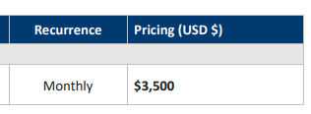
Period | Software Amount | Present Value
1 | 3,500.00 | $3,493.42 | Period Frequency: | Monthly (12 payments each year) | Frequency Divider: | 12
2 | 3,500.00 | $3,486.85 | Interest Rate: | 2.2600% | Interest Rate per Period: | 0.1883%
3 | 3,500.00 | $3,480.30
4 | 3,500.00 | $3,473.76
5 | 3,500.00 | $3,467.23 |  |  | Minimum Lease Payments: | 126,000.00
Place this result in GASB 96 Questionnaire
6 | 3,500.00 | $3,460.71 |  |  | Present Value: | 121,712.78
7 | 3,500.00 | $3,454.20
8 | 3,500.00 | $3,447.71 |  | Total Implementation Costs (see tab "SBITA cost guide"):
9 | 3,500.00 | $3,441.23
10 | 3,500.00 | $3,434.76 |  |  | Total PV of Subscription Asset | 121,712.78
11 | 3,500.00 | $3,428.30
12 | 3,500.00 | $3,421.86
13 | 3,500.00 | $3,415.43
14 | 3,500.00 | $3,409.01 | Note: To turn a percentage into a number, divide by 100.
15 | 3,500.00 | $3,402.60 | 100% = 1.00
16 | 3,500.00 | $3,396.20 | 25% = .25
17 | 3,500.00 | $3,389.82 | 4% = .04
18 | 3,500.00 | $3,383.45 | 1.37% = .0137 |  |  | Divided by 12 for monthly rate
19 | 3,500.00 | $3,377.09 | OR type the annual rate with a "%" beside it and the computer will read as a percentage. See the example for 4.5% entered both ways:
20 | 3,500.00 | $3,370.74
21 | 3,500.00 | $3,364.40 | 4.5% written with the percentage sign |  | 4.50% | 0.00375
22 | 3,500.00 | $3,358.08 | 4.5% divided by 100 and written as numeric percentage |  | 0.045 | 0.00375
23 | 3,500.00 | $3,351.76
24 | 3,500.00 | $3,345.46 | You get the same result either way.
25 | 3,500.00 | $3,339.18
26 | 3,500.00 | $3,332.90
27 | 3,500.00 | $3,326.63
28 | 3,500.00 | $3,320.38
29 | 3,500.00 | $3,314.14
30 | 3,500.00 | $3,307.91
31 | 3,500.00 | $3,301.69
32 | 3,500.00 | $3,295.48
33 | 3,500.00 | $3,289.29
34 | 3,500.00 | $3,283.11
35 | 3,500.00 | $3,276.93
36 | 3,500.00 | $3,270.77
37 |  | $0.00
38 |  | $0.00
39 |  | $0.00
40 |  | $0.00
41 |  | $0.00
42 |  | $0.00
43 |  | $0.00
44 |  | $0.00
45 |  | $0.00
46 |  | $0.00
47 |  | $0.00
48 |  | $0.00
49 |  | $0.00
50 |  | $0.00
51 |  | $0.00
52 |  | $0.00
53 |  | $0.00
54 |  | $0.00
55 |  | $0.00
56 |  | $0.00
57 |  | $0.00
58 |  | $0.00
59 |  | $0.00
60 |  | $0.00

